MS16 Calcs
Wheelbase | 2.6 | meters
Track | 0.85 | meters
Wheel Diameter | 0.5584 | meters
CG Distance
from Front | 1.56 | meters |  |  |  |  |  |  |  |  |  |  |  |  |  |  |  |  |  |  |  |  |  |  | Top View
from Rear | 1.04 | meters
from Left | 0.425 | meters |  |  |  |  |  |  |  |  |  |  |  |  |  |  |  |  |  |  |  |  |  |  |  | Front of Car
from Right | 0.425 | meters
from Axle (Vertical) | 0.08271697674 | meters |  |  |  |  |  |  |  |  |  |  |  |  |  |  |  |  |  |  |  |  |  | 0.200 |  |  | 0.200
Estimated Mass | 300 | kg |  |  |  |  |  |  |  |  |  |  |  |  |  |  |  |  |  |  |  |  |  | 60.00 |  |  | 60.00
 |  |  |  |  |  |  |  |  |  |  |  | Active Loading Case
 |  |  |  |  |  |  |  |  |  |  |  | Rest

Loading Cases | Acceleration (fractions of G) |  | Proportions |  |  |  | Wheels |  |  |  | Mass
Case Title | Forwards | Left | Front | Back | Left | Right | FL | FR | BL | BR | FL | FR | BL | BR |  |  |  |  |  |  |  |  |  | 0.300 |  |  | 0.300
Rest | 0 | 0 | 0.4000 | 0.6000 | 0.5000 | 0.5000 | 0.2 | 0.2 | 0.3 | 0.3 | 60 | 60 | 90 | 90 |  |  |  |  |  |  |  |  |  | 90.00 |  |  | 90.00
Accel + Right Turn | 0.5 | -1 | 0.3841 | 0.6159 | 0.5973 | 0.4027 | 0.2294240946 | 0.1546687945 | 0.3678899957 | 0.2480171153 | 68.82722839 | 46.40063834 | 110.3669987 | 74.40513458
Accel + Left Turn | 0.5 | 1 | 0.3841 | 0.6159 | 0.4027 | 0.5973 | 0.1546687945 | 0.2294240946 | 0.2480171153 | 0.3678899957 | 46.40063834 | 68.82722839 | 74.40513458 | 110.3669987
Braking + Right Turn | -1 | -1 | 0.4318 | 0.5682 | 0.5973 | 0.4027 | 0.2579287191 | 0.1738855027 | 0.3393853712 | 0.228800407 | 77.37861572 | 52.16565082 | 101.8156114 | 68.64012209
Braking + Left Turn | -1 | 1 | 0.4318 | 0.5682 | 0.4027 | 0.5973 | 0.1738855027 | 0.2579287191 | 0.228800407 | 0.3393853712 | 52.16565082 | 77.37861572 | 68.64012209 | 101.8156114

 |  |  |  |  |  |  |  |  |  |  |  |  | Front Left Loading - FSU
 |  |  |  |  |  |  |  |  |  |  | Loading Cases |  | X (Steer) | Y (Bump) | Z (Brake)
 | Safety Factor | 2 |  |  |  |  |  |  |  |  | Rest |  | 0.00 | 2354.40 | 0.00
 |  |  |  |  |  |  |  |  |  |  | Accel + Right Turn |  | -1350.39 | 2700.78 | 675.20
 |  |  |  |  |  |  |  |  |  |  | Accel + Left Turn |  | 910.38 | 1820.76 | 455.19
 |  |  |  |  |  |  |  | (note: all cases have 2G bump applied -->) |  |  | Braking + Right Turn |  | -1518.17 | 3036.34 | -1518.17
 |  |  |  |  |  |  |  |  |  |  | Braking + Left Turn |  | 1023.49 | 2046.98 | -1023.49

 |  |  |  |  |  |  |  |  |  |  |  |  | Back Left Loading - RSU |  |  |  |  | Translated Coords -> RSU |  |  | Moments about mounting plate
 |  |  |  |  |  |  |  |  |  |  | Loading Cases |  | X (Steer) | Y (Bump) | Z (Brake) | # | RSU Final Loading Case | x | y | z | x | y | z
 | Include Safety Factor? | Yes |  |  |  |  |  |  |  |  | Rest |  | 0.00 | 3531.60 | 0.00 | 1 | Rest | 0.00 | 0.00 | 3531.60 | 226.41 | -10.67 | 0.00
 |  |  |  |  |  |  |  |  |  |  | Accel + Right Turn |  | -2165.40 | 4330.80 | 1082.70 | 2 | Accel + Right Turn | 1082.70 | -2165.401 | 4330.80 | -325.42 | -314.61 | -75.95
 |  |  |  |  |  |  |  |  |  |  | Accel + Left Turn |  | 1459.83 | 2919.66 | 729.91 | 3 | Accel + Left Turn | 729.91 | 1459.83 | 2919.66 | 593.74 | -212.10 | -42.39
 |  |  |  |  |  |  |  | (note: all cases have 2G bump applied -->) |  |  | Braking + Right Turn |  | -1997.62 | 3995.24 | -1997.62 | 4 | Braking + Right Turn | -1997.62 | -1997.62 | 3995.24 | -300.20 | 544.27 | 122.03
 | mm | m |  |  |  |  |  |  |  |  | Braking + Left Turn |  | 1346.72 | 2693.44 | -1346.72 | 5 | Braking + Left Turn | -1346.72 | 1346.72 | 2693.44 | 547.74 | 366.93 | 90.41
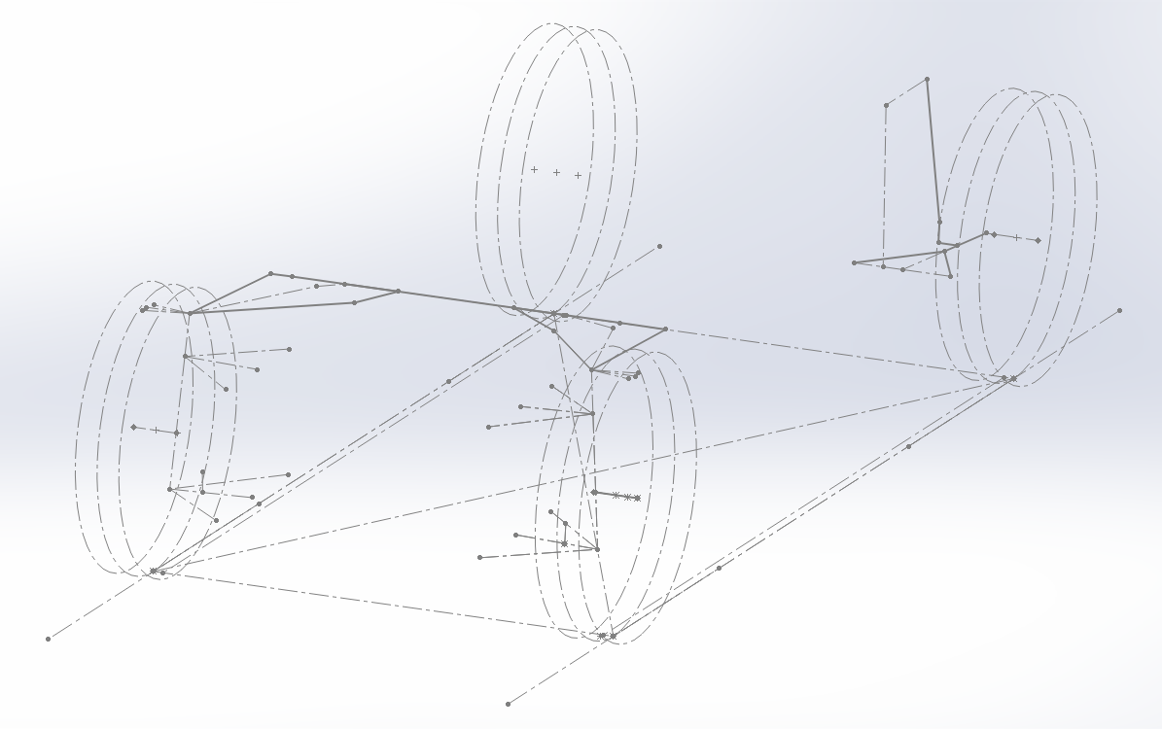
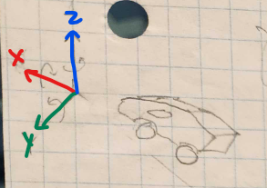
Contact path x | 3.02 | 0.00302 |  |  |  |  |  |  |  |  |  |  |  |  |  |  |  |  |  |  |  | ^^ in terms of simming hub components, this moment in y is actually zero, since all this moment will be resisted by the brake caliper
Contact patch y | 64.11 | 0.06411
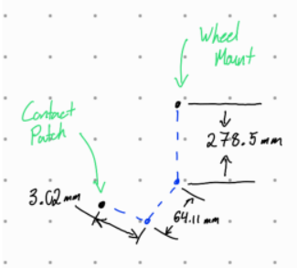
Contact patch z | -278.5 | -0.2785
 | Yes
 | No

 |  |  |  |  |  |  |  |  |  |  |  |  |  |  |  |  | (^^ bad! Don't use this coord convention in MS16!)

